TestSummary
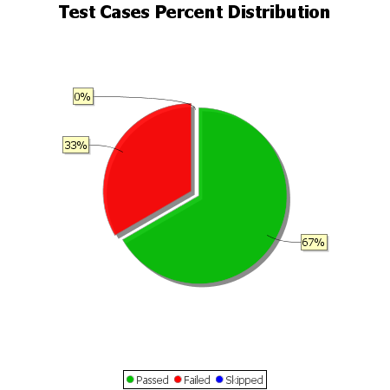
Total Test Cases | 3
Test Cases Passed | 2
Test Cases Failed | 1
Test Cases Skipped | 0

